Sheet1
 |  | Alternatives |  |  |  | higher is better! |  | bottom | top
 | weight | new bridge | tunnel | old bridge renovation | closing the old bridge |  | budget | tunnel | closing the old bridge
budget | 35 | 60 | 0 | 30 | 100 |  | stimulate the economy | closing the old bridge | tunnel
stimulate the economy | 35 | 80 | 100 | 30 | 0 |  | safety | closing the old bridge | new bridge
stakeholders needs | 20 | 90 | 100 | 60 | 0 |  | technical simplicity | tunnel | closing old bridge
technical simplicity | 15 | 60 | 0 | 30 | 100 |  | sustainability | closing the old bridge | new bridge
sustainability | 10 | 100 | 70 | 50 | 0

 | 115 | 74.78 | 53.91 | 36.96 | 43.48
weight

optimizational model
 |  |  |  |  |  |  | variables |  | min | max
 |  |  |  |  |  |  | height of the bridge | x1 | 10 | 45
 |  |  |  |  |  |  | spacing between pillars | x2 | 10 | 400
 |  |  |  |  |  |  | number of lanes | x3 | 2 | 8
 |  |  |  |  |  |  | span of the bridge | x4

weights | Stakeholder | objective |  |  | Preference curves | design aspect | metrics | variables | worst | best | Function
0.2 | Contractor | O1 | Reduce cost | minimize | -100 + 240/x | Affordability | Billion euros | x1,x2,x3,x4 | 1.2 | 0.8 | f1(x1,x2,x3,x4)= (0.4 / x2**0.8) + (0.002 * x1**1.1) + (0.05 * x3**1.2) + (0.0008 * x4**1.05)
0.2 | Port | O2 | Ensure vertical clearance | maximize | 128.57 - (1285.7/x) | Vertical clearance | Meters | x1 | 10 | 45 | f2(x1)=x1
 |  | O3 | Ensure horizontal clearance | x2>=35 | (102.56) - (1025.64/(x)) | Horizontal clearance | Meters | x2 | 10 | 400 | f3(x2)=x2
0.2 | TxDOT | O4 | Maximise traffic capacity | maximize | (100/np.sqrt(6))*(np.sqrt(x-2)) | Traffic capacity | number of lanes | x3 | 2 | 8 | f4(x3)=x3
0.2 | TxCEQ | O5 | Protect environment | minimize | 0.258* np.sqrt(200000 - x) | Material choice | CO2 emissions | x2,x3,x4 | 200000 | 50000 | f5(x2,x3,x4) = (500000 / x2**1.2) + (5000 * x3**1.1) + (50 * x4**1.15)
0.2 | Locals | O6 | Protect people | minimize | 22.36*np.sqrt(20-x) | Safety | Number of traffic incidents per year | x3, x4 | 20 | 0 | f6(x3,x4) = 0.2 * x3**1.1 + 0.0005 * x4**1.05 | Functions
1 |  |  |  |  |  |  |  |  |  |  |  | f1 | x1 = height of bridge (m) → higher piers → more concrete/steel → higher cost
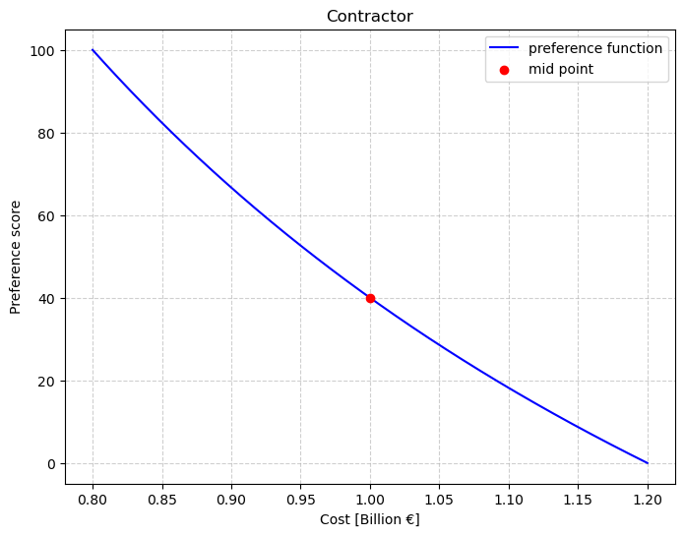
 |  |  |  |  |  |  |  |  |  |  |  |  | x2 = spacing between piers (m) → smaller spacing = more piers = higher cost
 |  |  |  |  |  |  |  |  |  |  |  |  | x3 = number of lanes → wider deck = higher cost
 |  |  |  |  |  |  |  |  |  |  |  |  | x4 = main span (m) → longer span = more material + stronger design = higher cost
 |  | O1 |  |  |  |  |  |  |  |  |  | f5 | x2 (pier spacing): smaller spacing → more piers → higher CO₂. Using c_pier / x2^alpha models this non-linearly.
 |  |  |  |  |  |  |  |  |  |  |  |  | x3 (number of lanes): more lanes → more deck → higher CO₂ (non-linear via exponent beta).
 |  |  |  |  |  |  |  |  |  |  |  |  | x4 (span length): longer span → more material → higher CO₂ (non-linear via exponent gamma).
 |  |  |  |  |  |  |  |  |  |  |  | f6 | x3 = number of lanes --> assume incidents increase slightly with number of lanes (exponent > 1).
 |  |  |  |  |  |  |  |  |  |  |  |  | x4 = main span length --> Longer spans may be riskier due to higher speeds and wind exposure--> increase

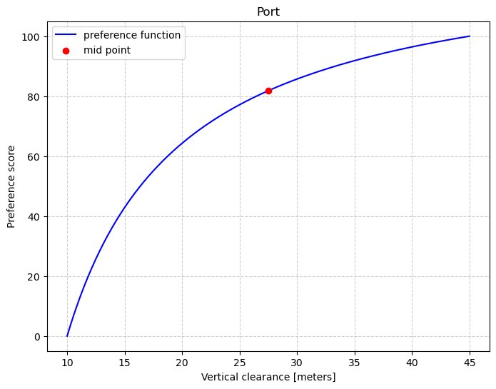

 |  | O2

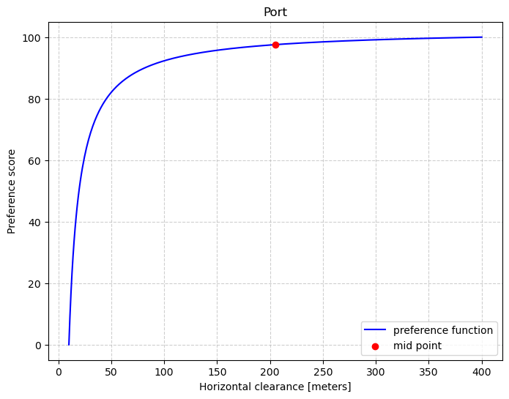

 |  | O3

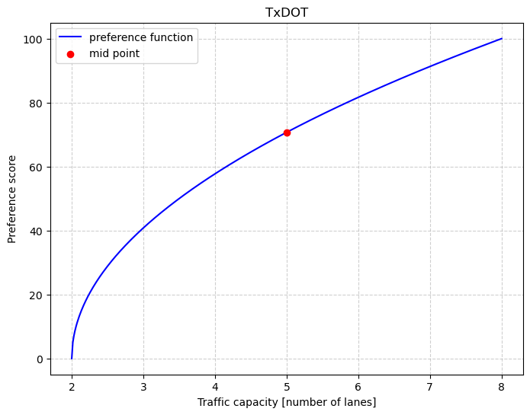
 |  | O4

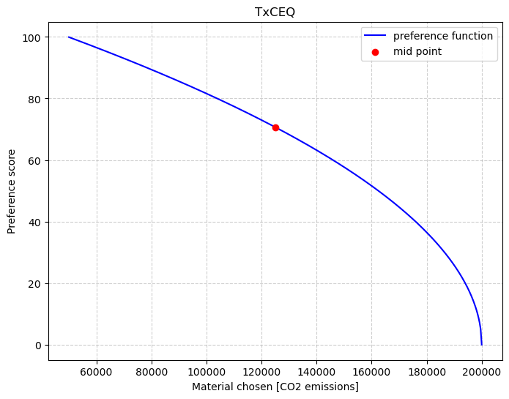
 |  | O5

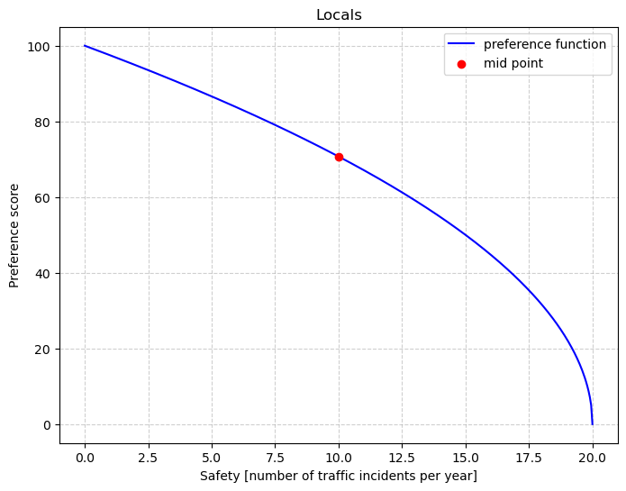
 |  | O6

